Calculate ABC
Steinhart–Hart Coefficient Calculator
Start HERE:
Temperatures | Celsius |  | Ohms
T1 | 0 | R1 | 33621 |  |  |  |  | Steinhart-Hart Equation:
T2 | 25 | R2 | 10000 |  |  |  |  | https://en.wikipedia.org/wiki/Steinhart–Hart_equation
T3 | 50 | R3 | 3588.2
 |  |  |  |  |  |  |  |  | T = Kelvin
Beta Calculated | 3950 | Beta is typically determined using values from 25C and 50C |  |  |  |  |  |  | R=ohms
 | Kelvin |  | 1/T |  |  |  | LN(R) |  | A,B,C = Steinhart-Hart coefficients
K1 | 273.15 | Y1 | 0.0036609921289 |  | Gama | L1 | 10.422906151 | Calculating coefficients:
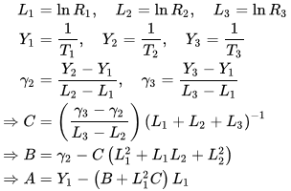
K2 | 298.15 | Y2 | 0.0033540164347 | G2 | 0.00025316209608 | L2 | 9.210340372
K3 | 323.15 | Y3 | 0.0030945381402 | G3 | 0.00025316377258 | L3 | 8.185405963

Steinhart–Hart coefficients:
A | 0.0010221965379 |  | 0.001129148 |  | 0.0010221965379
B | 0.00025317911644 |  | 0.000234125 |  | 0.00025317911644
C | -5.8799201163E-11 |  | 8.76741E-08 |  | -5.8799201163E-11

Calculate Temperature:
R | 10000 | ohms | Sanity Check: Use R0 values here at Temperature should be 25C
T | 298.15 | Kelvin
 | 25 | Celsius

 | https://rusefi.com/Steinhart-Hart.html
 | 1 / (0.0010221965379370525 + 0.0002531791164449524 * logR + -5.879920116310102e-11 * logR * logR * logR)

Beta
NTC Thermistor Beta
Calculation of Beta
A thermistor’s “b” value, or beta value, is an indication of the shape of the curve representing the relationship between resistance and temperature of an NTC thermistor. Calculating the beta value is a vital step in the component selection process as it gives the characteristic at a given temperature vs the resistance for a specific application.
Beta Value and NTC Thermistors
NTC thermistors are non-linear resistors that alter their resistance characteristics with temperature. Simply put, as temperature increases the thermistor’s resistance decreases. The manner in which the resistance of a thermistor decreases is related to a constant known in the thermistor industry as beta (β).
Beta is measured in degrees Kelvin (K) and is computed based on the formulation given below.
Where: R_{t1} = Resistance at Temperature 1 R_{t2} = Resistance at Temperature 2 T₁ = Temperature 1 (K) T₂= Temperature 2 in (K)
Calculate Thermistor resistance based on temperature
Beta | 3950
R1 | 10000 | ohms
T1 | 25 | Celcius
T2 | 50 | Celcius

R2 | 3588.2 | ohms

Calculate Beta
T1 | 25 | Celcius
T2 | 50 | Celcius
R1 | 10000 | ohms
R2 | 3588.2 | ohms

Beta | 3949.99

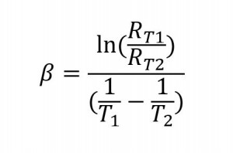

 | https://www.ametherm.com/thermistor/ntc-thermistor-beta

